Screen-00

System Name |  | WMS | Function ID |  | Approved By | Note
Project Name |  | JMU_Iwms_wms | Function Name | Stock out Request (part) | Approved On
Document Name |  | Unit test | Created By | CTKLy | Revised By
Document ID |  |  | Created On | 2022-01-27 | Revised On

 | [Search] Screen

Screen-01
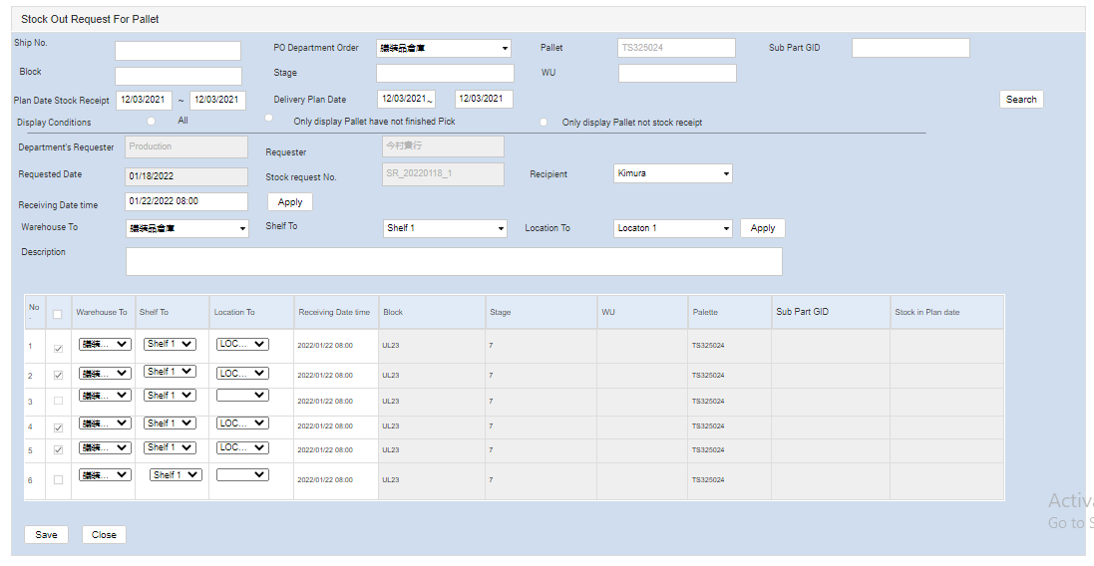
System Name |  | WMS | Function ID |  | Approved By | Note
Project Name |  | JMU_Iwms_wms | Function Name | Stockout Request (pallet) | Approved On
Document Name |  | Unit test | Created By | CTKLy | Revised By
Document ID |  |  | Created On | 2022-01-28 | Revised On

 | [Add ] Screen

